Celebration Cake
Celebration Cake
Items Name | MRP | Image
Choco Planetarium Cake | 210 | 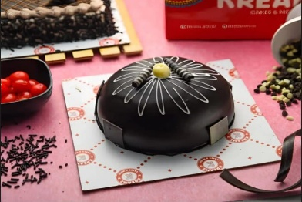
Veg Rich Truffle Cake | 415 | 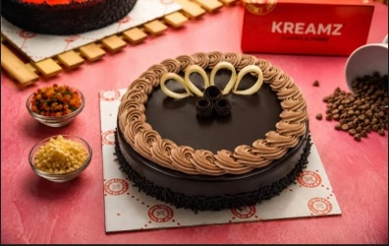
Veg Strawberry Heart Cake | 260 | 
Veg Butterscotch Cake | 340 | 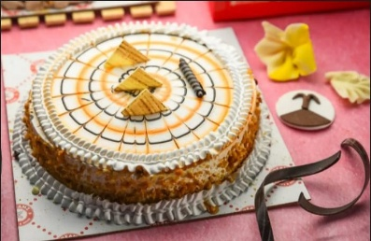
Veg Coco Butterscotch Cake | 370 | 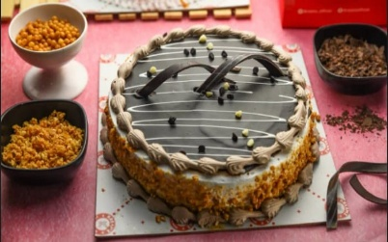
Veg Chocolate Rectangle Cake | 280 | 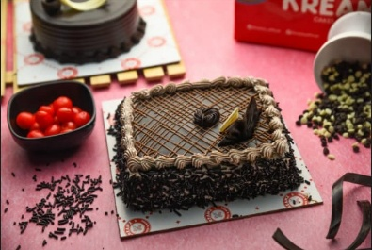
Veg Chocolate Truffle Cake | 369 | 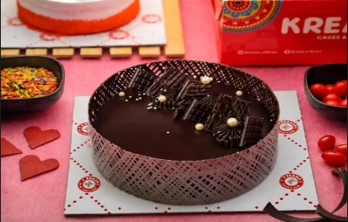
Strawberry Senorita Cake | 195 | 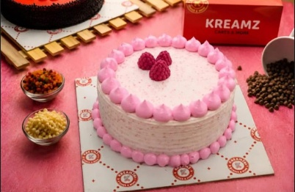
Chocolate Junior Cake (With Egg) | 225 | 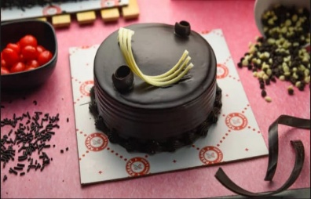
Veg Premium Chocochip Cake | 410 | 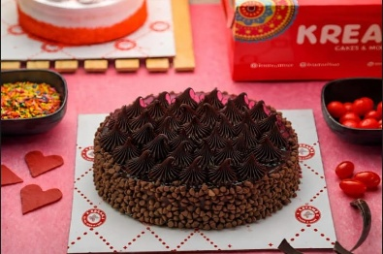
Butterscotch Jr Cake (With Egg) | 175 | 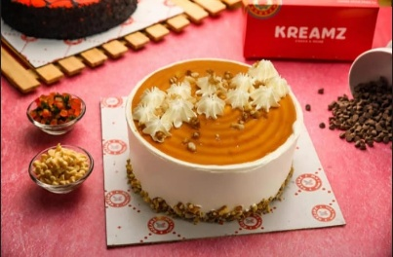
Blueberry Junior Cake | 209 | 
Red Velvet Junior Cake | 225 | 
Labubu Blackcarrant Cake | 195 | 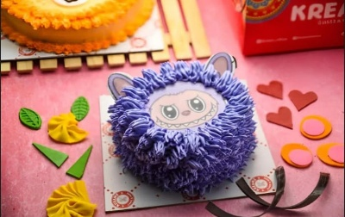
Vanilla Royal Cake(2026) | 285 | 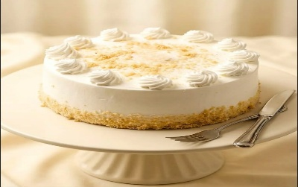
Black Forest Cake(2026) | 420 | 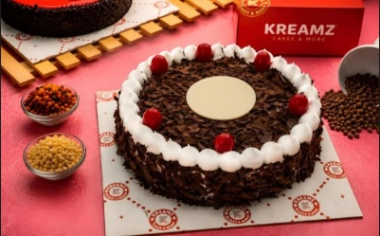
Black Currant Cake(2026) | 315 | 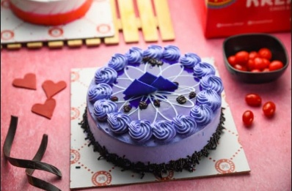
Mango Cake | 300 | 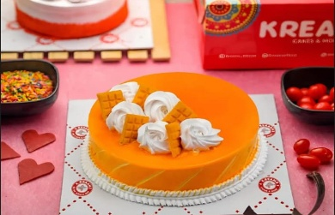
Choco Heart Cake | 399
Black Current Jr Cake | 189 | 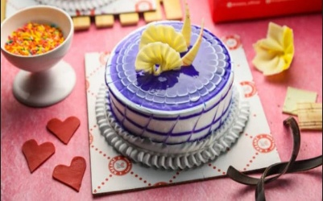

Special Cake
Special Cake
Items Name | MRP | Image
Veg Chocolate Truffle Cake (New Design) 1Kg | 700 | 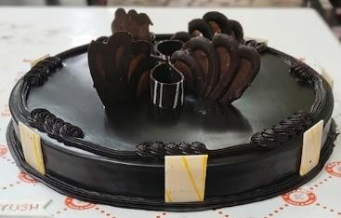
Chocolate Double Decker Cake 1 Kg (With Egg) | 800 | 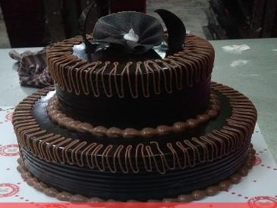
Garden Fly 1 kg | 1000 | 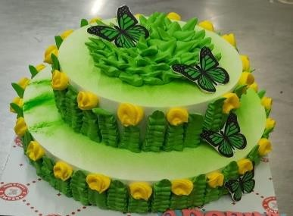
Choco Fantasy | 199 | 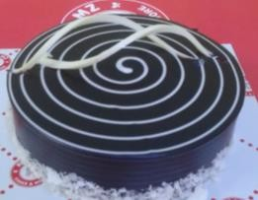
Veg Junior Marbel Cake | 225 | 
Veg Choco Junior Cake | 240 | 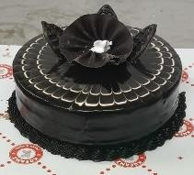
Mango Romance | 290 | 
Butterscotch Kiss Cake | 299 | 
Couple Delight Butterscotch Cake | 320 | 
Mango Smiley Cake | 325 | 
Veg Mango Nectar Cake | 330 | 
Fancy Cake 10 | 370 | 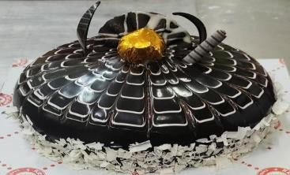
Doraemon Cake (With Egg) | 370 | 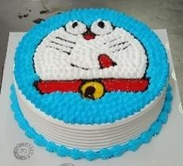
Veg Alphonso Mango Cake | 370 | 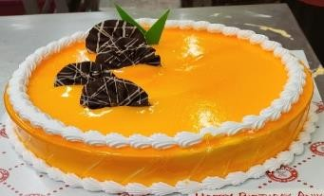
Spider Man Cake (With Egg) | 380 | 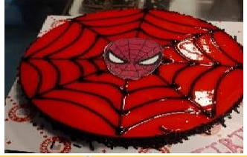
Valentines Day Chocolate Delight Cake | 385 | 
Red Velvet Heart Shape Cake | 400 | 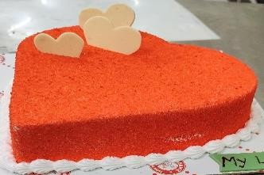
Dual Forest Cake | 400 | 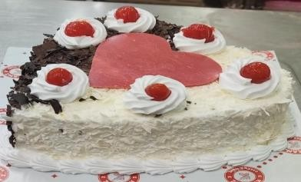
Eye Ball Chocolate Cake | 400 | 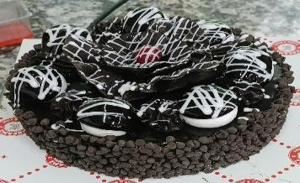
Veg Choco Marble Cake | 400 | 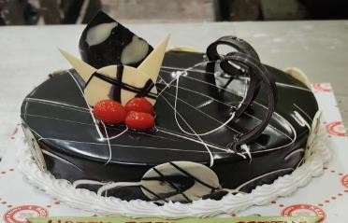
Pink Teddy Bear Face Cake | 400 | 
Choco Vanilla Crush | 400 | 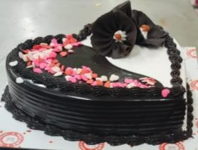
Eid Mubarak Rabri Cake | 400 | 
Choco Moist Cake | 400 | 
Passion Red Velvet Heart Cake | 400 | 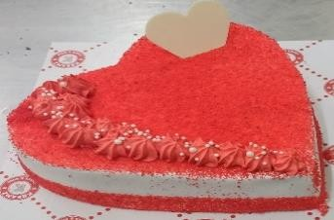
Veg Anarkali Cake (Vanilla Flavour) | 400 | 
Choco Flex Cake | 400 | 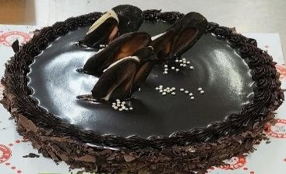
Veg White Forest Cake | 450 | 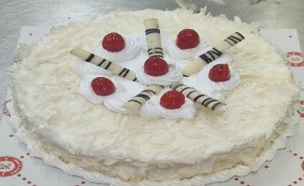

Pastry
Pastry
Items Name | MRP | Image
Veg Belgium Butterscotch Pastry | 37 | 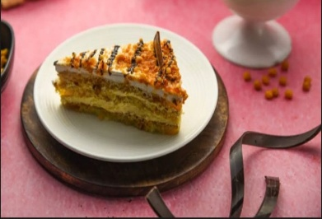
Veg Black Forest Pastry | 45 | 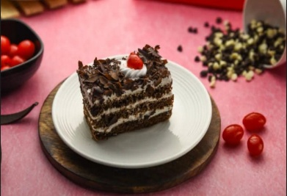
Veg Truffle Pastry | 32 | 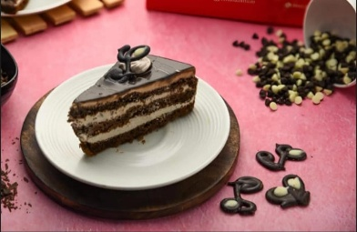
Veg Mango Delight Pastry | 35 | 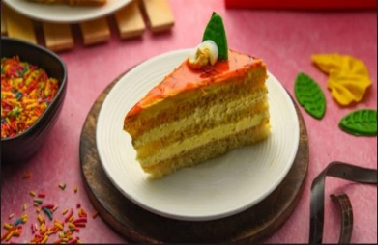
Veg Choco Chips Pastry | 28 | 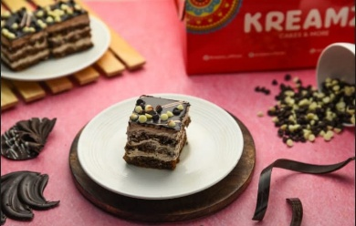
Veg Strawberry Pastry | 28 | 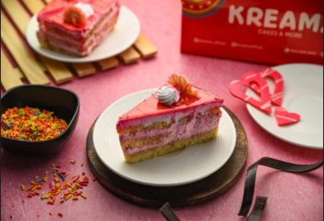
Chocolate Donuts | 26 | 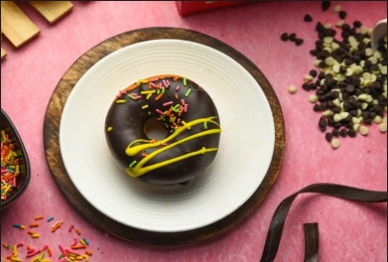
Rum Balls | 20 | 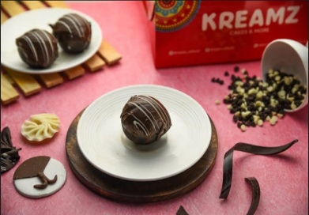
Marble Pastry | 35 | 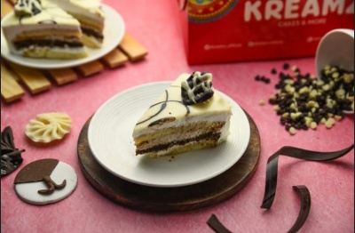
Oreo Pastry | 35 | 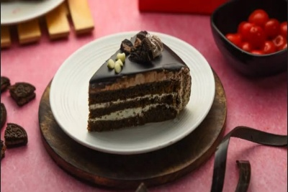
Butterscotch Pastry | 28 | 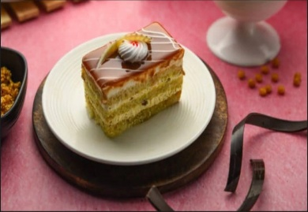
Veg Watermelon Pastry | 36 | 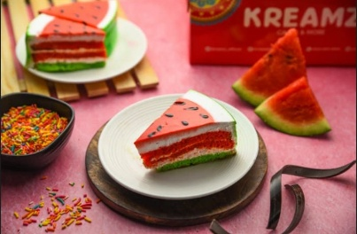
Crunchy Caramel Butterscotch Pastry | 30 | 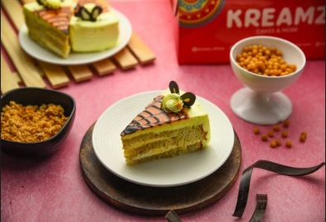
Kaccha Aam Pastry(2026) | 35 | 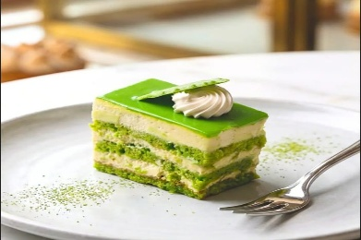
Kitkat Pastry 2026 | 42 | 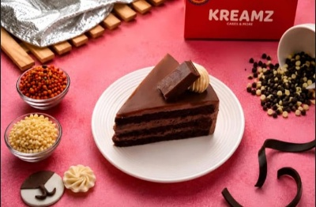
Cheesy Mango Pastry | 38 | 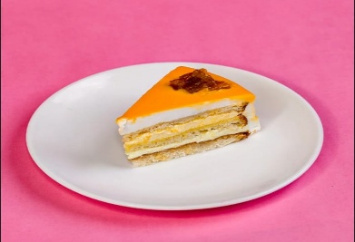
Classic Litchi Pastry | 35 | 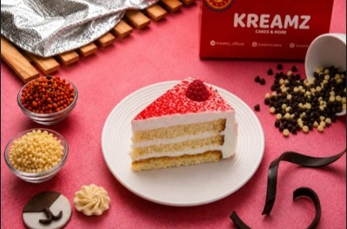
Chocolate Mousse | 45 | 
Mango Mousse | 45 | 
Choco Bomb Cup | 22 | 
Moody Treat | 28 | 

Savouries
Savouries
Items Name | MRP | Image
Veg Puff | 24 | 
Cheese Corn Puff | 29 | 
Paneer Puff | 30 | 
Dimer Devil | 22 | 
Mini Aloo Tikki Burger | 22 | 
Veg Baked Samosa | 10 | 
Butter Paneer Bread Roll | 35 | 
Cheese Corn Sandwich | 40 | 
Paneer Malai Roll 2026 | 35 | 
Fish Chop | 30 | 
Chicken Cheesy Kiev | 26 | 
Chicken Puff | 28 | 
Cheesy Creamy Chicken Parcel | 42 | 
Chicken Mayo Net | 37 |  
Chicken Peri Peri Sandwich | 50 | 
Hot Dog Roll | 42 | 
Roasted Chicken Roll | 47 | 
Chicken Pizza | 50 | 
Fish Pantaras | 39 | 
Chicken Spring Roll | 42
Grilled Chicken Sandwich | 35 | 
Gulf Chicken Puff | 37 | 
Burger Kreamz (Chicken) | 55 | 
Coriander Chicken Roll | 48 | 
Chicken Pie 2026 | 42 | 
Kolapuri Chicken Roll | 50 | 
Classic Fish Puff | 42 | 

Cookies,Muffins,dry Cakes
Cookies,Muffins & Dry Cakes
Items Name | MRP | Image
Honey Oatmeal Cookies | 75 | 
Fruit N Nut Cookies Round | 75 | 
Shrewsbury Cookies | 85 | 
Jeera Cookies | 65 | 
Cashew Cookies | 65 | 
Nankatai Cookies | 65 | 
Chocochip Cookies | 65 | 
Baba Cake | 20 | 
Walnut & Dates Cake | 159 | 
Rich Butter Cake | 129 | 
Rich Butter Fruit Cake | 139 | 
Chocochip Cake | 169 | 
Madira Slice Cake (5 Pcs) | 100 | 
Mango Slice Cake | 30 | 
Cashew Muffin | 15 | 
Blueberry Muffin | 20 | 
Chocochip Muffin | 20 | 
Red Velvet Muffin | 20 | 
American Chocochip Muffin | 15 | 
Mango Muffin | 40 | 
Tea Time Puff | 60 | 
Cheese Straw | 60 | 
KikiPie Cream Roll Rs 10 (Vanila & Chocolate) | 10 | 
Walnut Brownie | 45 | 
Melting Lava | 45 | 

